Inputs
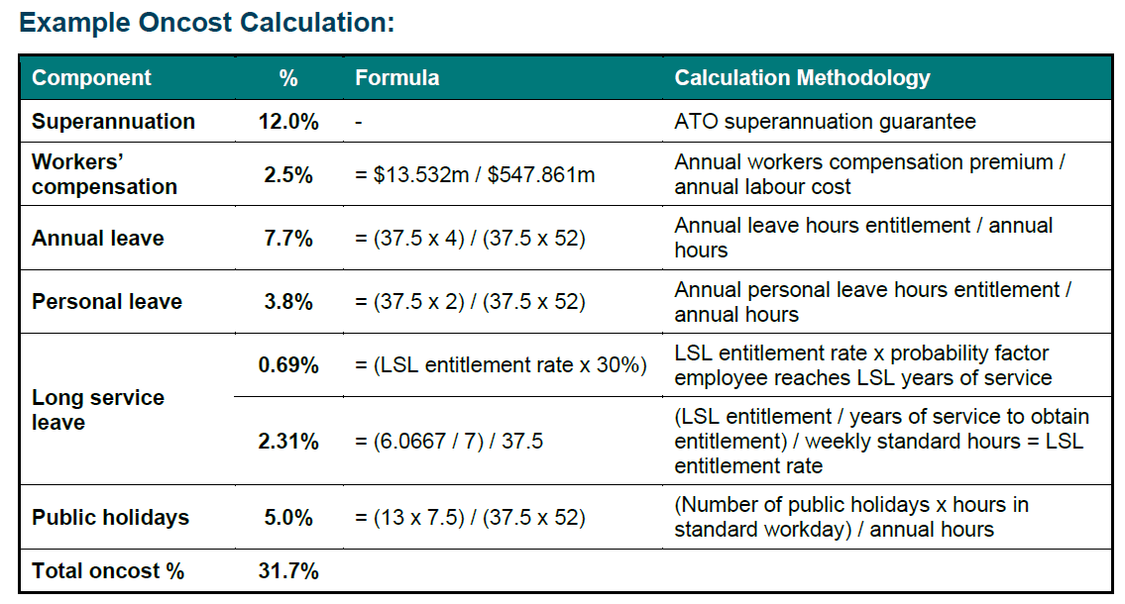
 | Inputs
Superannuation (as decimal) | 0.12
Workers Compensation Premium (GST exclusive) | $13,532,000.00
Annual Labour Cost | $547,861,000.00
Annual Leave Hours Entitlement (per employee) | 150.00
Annual Hours (per employee) | 1,950.00
Personal Leave Hours Annually (per employee) | 75.00
Long Service Leave Entitlement (days) | 6.07
Years of Service to Obtain LSL Entitlement | 7.00
Standard Weekly Hours | 37.50
Probability Factor Employee Reaches Long Service Leave Years of Service | 30.00%
Number Public Holidays in a Year | 13.00
Standard Hours in a Day | 7.50

 | Calculation
Superannuation | 12.00%
Workers Compensation | 2.47%
Annual Leave | 7.69%
Personal Leave | 3.85%
Long Service Leave | 0.69%
Pubic Holidays | 5.00%

DRFA Claimable Oncost % | 31.70%

